TOTAL
Alkalmazott szűrők: Highlighted nem egyezik ezzel: (Üres) Arrival_date ekkori vagy későbbi a következőnél: 2026.03.16. 0:00:00 és dátuma korábbi, mint 2026.03.23. 0:00:00 Mandatory egyezik ezzel: Yes LSP egyezik ezzel: Maersk Canceled_shipment egyezik ezzel: N

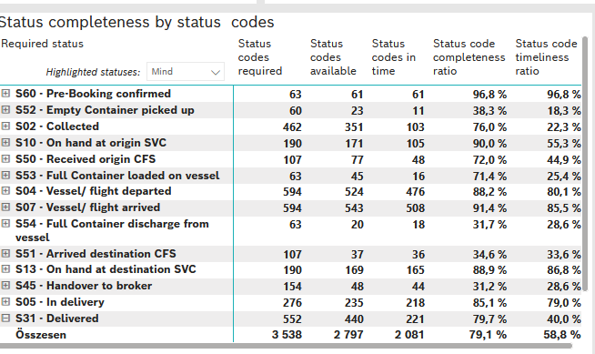
Required status | STATUS_TYPE | Service_Provider | Status codes required | Status codes available | Status codes in time | Status code completeness ratio | Status code timeliness ratio
S60 - Pre-Booking confirmed | Actual | 0000056066 - Maersk | 63 | 61 | 61 | 96.8 % | 96.8 %
S52 - Empty Container picked up | Actual | 0000056066 - Maersk | 60 | 23 | 11 | 38.3 % | 18.3 %
S02 - Collected | Actual | 0000056066 - Maersk | 261 | 191 | 103 | 73.2 % | 39.5 %
S02 - Collected | Estimated | 0000056066 - Maersk | 201 | 160 | 0 | 79.6 % | 0.0 %
S10 - On hand at origin SVC | Actual | 0000056066 - Maersk | 190 | 171 | 105 | 90.0 % | 55.3 %
S50 - Received origin CFS | Actual | 0000056066 - Maersk | 107 | 77 | 48 | 72.0 % | 44.9 %
S53 - Full Container loaded on vessel | Actual | 0000056066 - Maersk | 63 | 45 | 16 | 71.4 % | 25.4 %
S04 - Vessel/ flight departed | Actual | 0000056066 - Maersk | 297 | 264 | 257 | 88.9 % | 86.5 %
S04 - Vessel/ flight departed | Estimated | 0000056066 - Maersk | 297 | 260 | 219 | 87.5 % | 73.7 %
S07 - Vessel/ flight arrived | Actual | 0000056066 - Maersk | 297 | 270 | 270 | 90.9 % | 90.9 %
S07 - Vessel/ flight arrived | Estimated | 0000056066 - Maersk | 297 | 273 | 238 | 91.9 % | 80.1 %
S54 - Full Container discharge from vessel | Actual | 0000056066 - Maersk | 63 | 20 | 18 | 31.7 % | 28.6 %
S51 - Arrived destination CFS | Actual | 0000056066 - Maersk | 107 | 37 | 36 | 34.6 % | 33.6 %
S13 - On hand at destination SVC | Actual | 0000056066 - Maersk | 190 | 169 | 165 | 88.9 % | 86.8 %
S45 - Handover to broker | Actual | 0000056066 - Maersk | 77 | 31 | 30 | 40.3 % | 39.0 %
S45 - Handover to broker | Estimated | 0000056066 - Maersk | 77 | 17 | 14 | 22.1 % | 18.2 %
S05 - In delivery | Actual | 0000056066 - Maersk | 276 | 235 | 218 | 85.1 % | 79.0 %
S31 - Delivered | Actual | 0000056066 - Maersk | 276 | 217 | 78 | 78.6 % | 28.3 %
S31 - Delivered | Estimated | 0000056066 - Maersk | 276 | 223 | 143 | 80.8 % | 51.8 %
S55 - Empty Container returned | Actual | 0000056066 - Maersk | 63 | 53 | 51 | 84.1 % | 81.0 %

BCO
Alkalmazott szűrők: Highlighted nem egyezik ezzel: (Üres) Arrival_date ekkori vagy későbbi a következőnél: 2026.03.16. 0:00:00 és dátuma korábbi, mint 2026.03.23. 0:00:00 Mandatory egyezik ezzel: Yes LSP egyezik ezzel: Maersk Service_Load egyezik ezzel: BCO Canceled_shipment egyezik ezzel: N
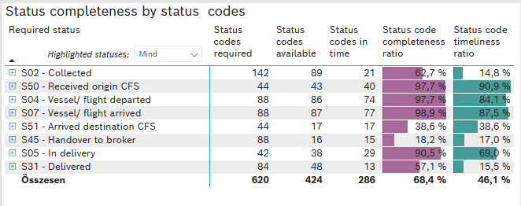
Required status | STATUS_TYPE | Service_Provider | Status codes required | Status codes available | Status codes in time | Status code completeness ratio | Status code timeliness ratio
S02 - Collected | Actual | 0000056066 - Maersk | 71 | 44 | 21 | 62.0 % | 29.6 %
S02 - Collected | Estimated | 0000056066 - Maersk | 71 | 45 | 0 | 63.4 % | 0.0 %
S50 - Received origin CFS | Actual | 0000056066 - Maersk | 44 | 43 | 40 | 97.7 % | 90.9 %
S04 - Vessel/ flight departed | Actual | 0000056066 - Maersk | 44 | 43 | 42 | 97.7 % | 95.5 %
S04 - Vessel/ flight departed | Estimated | 0000056066 - Maersk | 44 | 43 | 32 | 97.7 % | 72.7 %
S07 - Vessel/ flight arrived | Actual | 0000056066 - Maersk | 44 | 44 | 44 | 100.0 % | 100.0 %
S07 - Vessel/ flight arrived | Estimated | 0000056066 - Maersk | 44 | 43 | 33 | 97.7 % | 75.0 %
S51 - Arrived destination CFS | Actual | 0000056066 - Maersk | 44 | 17 | 17 | 38.6 % | 38.6 %
S45 - Handover to broker | Actual | 0000056066 - Maersk | 44 | 14 | 14 | 31.8 % | 31.8 %
S45 - Handover to broker | Estimated | 0000056066 - Maersk | 44 | 2 | 1 | 4.5 % | 2.3 %
S05 - In delivery | Actual | 0000056066 - Maersk | 42 | 38 | 29 | 90.5 % | 69.0 %
S31 - Delivered | Actual | 0000056066 - Maersk | 42 | 27 | 13 | 64.3 % | 31.0 %
S31 - Delivered | Estimated | 0000056066 - Maersk | 42 | 21 | 0 | 50.0 % | 0.0 %

FCL
Alkalmazott szűrők: Highlighted nem egyezik ezzel: (Üres) Arrival_date ekkori vagy későbbi a következőnél: 2026.03.16. 0:00:00 és dátuma korábbi, mint 2026.03.23. 0:00:00 Mandatory egyezik ezzel: Yes LSP egyezik ezzel: Maersk Service_Load egyezik ezzel: FCL Canceled_shipment egyezik ezzel: N

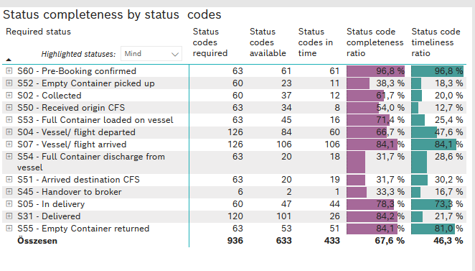
Required status | STATUS_TYPE | Service_Provider | Status codes required | Status codes available | Status codes in time | Status code completeness ratio | Status code timeliness ratio
S60 - Pre-Booking confirmed | Actual | 0000056066 - Maersk | 63 | 61 | 61 | 96.8 % | 96.8 %
S52 - Empty Container picked up | Actual | 0000056066 - Maersk | 60 | 23 | 11 | 38.3 % | 18.3 %
S02 - Collected | Actual | 0000056066 - Maersk | 60 | 37 | 12 | 61.7 % | 20.0 %
S50 - Received origin CFS | Actual | 0000056066 - Maersk | 63 | 34 | 8 | 54.0 % | 12.7 %
S53 - Full Container loaded on vessel | Actual | 0000056066 - Maersk | 63 | 45 | 16 | 71.4 % | 25.4 %
S04 - Vessel/ flight departed | Actual | 0000056066 - Maersk | 63 | 45 | 43 | 71.4 % | 68.3 %
S04 - Vessel/ flight departed | Estimated | 0000056066 - Maersk | 63 | 39 | 17 | 61.9 % | 27.0 %
S07 - Vessel/ flight arrived | Actual | 0000056066 - Maersk | 63 | 53 | 53 | 84.1 % | 84.1 %
S07 - Vessel/ flight arrived | Estimated | 0000056066 - Maersk | 63 | 53 | 53 | 84.1 % | 84.1 %
S54 - Full Container discharge from vessel | Actual | 0000056066 - Maersk | 63 | 20 | 18 | 31.7 % | 28.6 %
S51 - Arrived destination CFS | Actual | 0000056066 - Maersk | 63 | 20 | 19 | 31.7 % | 30.2 %
S45 - Handover to broker | Actual | 0000056066 - Maersk | 3 | 1 | 1 | 33.3 % | 33.3 %
S45 - Handover to broker | Estimated | 0000056066 - Maersk | 3 | 1 | 0 | 33.3 % | 0.0 %
S05 - In delivery | Actual | 0000056066 - Maersk | 60 | 47 | 44 | 78.3 % | 73.3 %
S31 - Delivered | Actual | 0000056066 - Maersk | 60 | 51 | 22 | 85.0 % | 36.7 %
S31 - Delivered | Estimated | 0000056066 - Maersk | 60 | 50 | 4 | 83.3 % | 6.7 %
S55 - Empty Container returned | Actual | 0000056066 - Maersk | 63 | 53 | 51 | 84.1 % | 81.0 %

LCL
Alkalmazott szűrők: Highlighted nem egyezik ezzel: (Üres) Arrival_date ekkori vagy későbbi a következőnél: 2026.03.16. 0:00:00 és dátuma korábbi, mint 2026.03.23. 0:00:00 Mandatory egyezik ezzel: Yes LSP egyezik ezzel: Maersk Service_Load egyezik ezzel: LCL Canceled_shipment egyezik ezzel: N

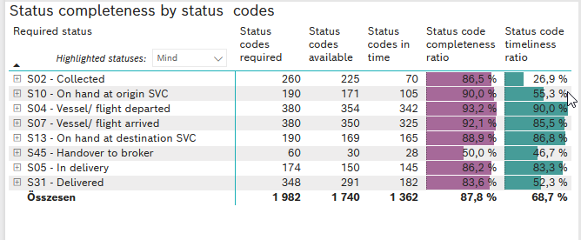
Required status | STATUS_TYPE | Service_Provider | Status codes required | Status codes available | Status codes in time | Status code completeness ratio | Status code timeliness ratio
S02 - Collected | Actual | 0000056066 - Maersk | 130 | 110 | 70 | 84.6 % | 53.8 %
S02 - Collected | Estimated | 0000056066 - Maersk | 130 | 115 | 0 | 88.5 % | 0.0 %
S10 - On hand at origin SVC | Actual | 0000056066 - Maersk | 190 | 171 | 105 | 90.0 % | 55.3 %
S04 - Vessel/ flight departed | Actual | 0000056066 - Maersk | 190 | 176 | 172 | 92.6 % | 90.5 %
S04 - Vessel/ flight departed | Estimated | 0000056066 - Maersk | 190 | 178 | 170 | 93.7 % | 89.5 %
S07 - Vessel/ flight arrived | Actual | 0000056066 - Maersk | 190 | 173 | 173 | 91.1 % | 91.1 %
S07 - Vessel/ flight arrived | Estimated | 0000056066 - Maersk | 190 | 177 | 152 | 93.2 % | 80.0 %
S13 - On hand at destination SVC | Actual | 0000056066 - Maersk | 190 | 169 | 165 | 88.9 % | 86.8 %
S45 - Handover to broker | Actual | 0000056066 - Maersk | 30 | 16 | 15 | 53.3 % | 50.0 %
S45 - Handover to broker | Estimated | 0000056066 - Maersk | 30 | 14 | 13 | 46.7 % | 43.3 %
S05 - In delivery | Actual | 0000056066 - Maersk | 174 | 150 | 145 | 86.2 % | 83.3 %
S31 - Delivered | Actual | 0000056066 - Maersk | 174 | 139 | 43 | 79.9 % | 24.7 %
S31 - Delivered | Estimated | 0000056066 - Maersk | 174 | 152 | 139 | 87.4 % | 79.9 %

